Skyserver_SQL9_9_2026 12_16_31
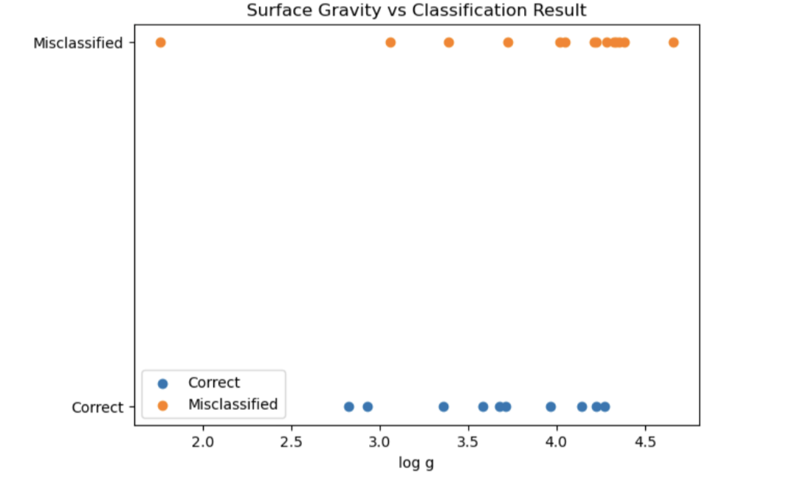
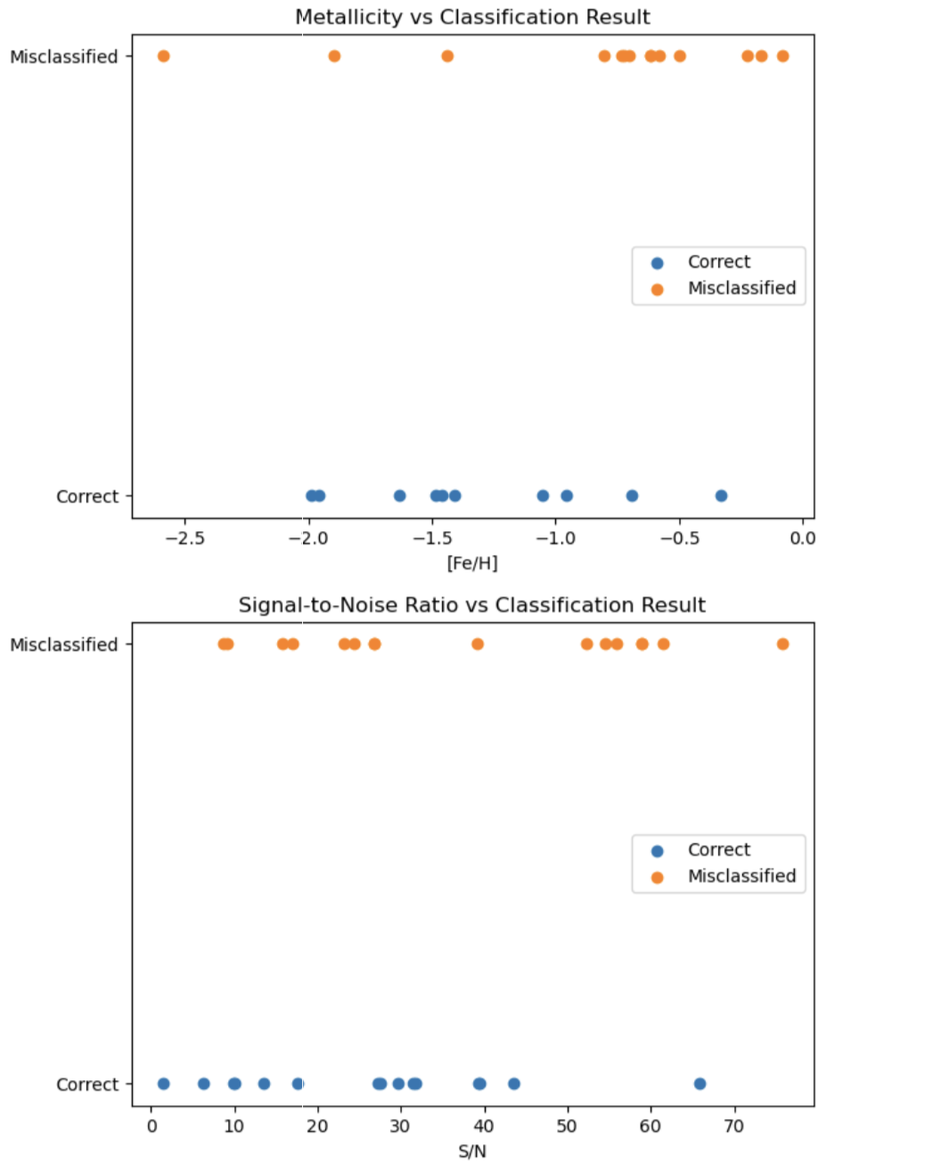
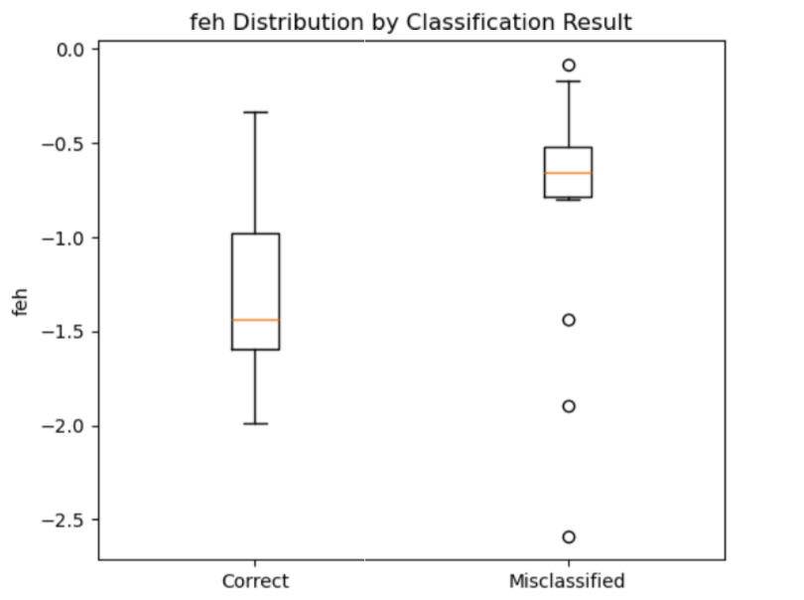
specobjid | SDSS classification | spectypehammer(from SDSS) | results from the code |  |  |  |  | Fe/H
accurate |  |  |  | teffspec | teffspecunc | loggspec | loggspecunc | fehspec | fehspecunc | S/N
1183346132265232384 | F5 5700-7200 | F8 | F | 5882.667 | 30.7158 | 3.678222 | 0.09539209 | -1.055653 | 0.02231361 | 31.4099
3816811212520390000 | G2 4900-5700 | G2 | G | 5220.325 | 64.19548 | 2.822874 | 0.1850739 | -1.460202 | 0.06791307 | 27.31585
1184479178964100000 | M9 2100-3400 | dM | M |  |  |  |  |  |  | 1.441344
1185705959096340000 | A0 7200-9700 | NA | A | 8389.876 | 149.0332 | 3.358994 | 0.2943377 | -1.959163 | 0.047 | 31.71836
1185618273044030000 | M3 2100-3400 | dM | M |  |  |  |  |  |  | 10.0302
1185619647433560000 | A0 7200-9700 | NA | A |  |  |  |  |  |  | 6.357148
2191102706242840000 | M2 2100-3400 | dM | M |  |  |  |  |  |  | 17.57952
2455679290289710000 | G2 4900-5700 | G8 | G | 5300.38 | 74.98277 | 2.929391 | 0.1306898 | -1.407123 | 0.01729481 | 39.42772
2455680939557150000 | F5 5700-7200 | F2 | F | 6303.428 | 42.00941 | 3.715492 | 0.08699469 | -1.633456 | 0.0538251 | 43.47746
2455699081499010000 | F5 5700-7200 | F6 | F | 6066.217 | 15.21921 | 4.143109 | 0.08452806 | -1.485975 | 0.01633701 | 39.2393
2133673286591080000 | G0 4900-5700 | G2 | G |  |  |  |  |  |  | 9.943298
2605503145891090000 | F5 5700-7200 | F2 | F | 6822.57 | 30.80384 | 4.224508 | 0.1186018 | -0.3333659 | 0.02745135 | 65.89188
2622364706676950000 | F2 5700-7200 | G3 | F | 5964.426 | 31.04636 | 3.966028 | 0.07558918 | -0.693843 | 0.01287285 | 27.50664
2622381474229280000 | F5 5700-7200 | F2 | F | 6633.038 | 77.00729 | 3.583187 | 0.01705611 | -0.9573072 | 0.034 | 13.56016
2622390545200210000 | F2 5700-7200 | G6 | G | 5553.587 | 82.18119 | 4.270654 | 0.07448169 | -1.985716 | 0.08058831 | 29.63901
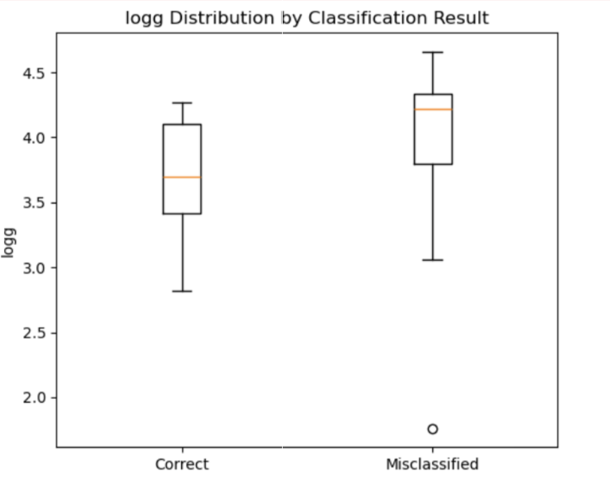
average |  |  |  |  |  | 2.4461639333 |  | -0.79441007333 |  | 26.302519333
inaccurate
2622392744223467520 | F5 5700-7200 | F8 | G | 5618.978 (G) | 76.73613 | 3.38898 | 0.09784541 | -1.897297 | 0.001472414 | 15.74079
3252899729217970000 | F9 5700-7200 | G2 | G | 5416.101 (G) | 11.91985 | 4.384928 | 0.05810237 | -0.4986892 | 0.02995973 | 55.92588
3281032658410300000 | K5 3400-4900 | K4 | G | 4483.259 | 62.74951 | 3.726264 | 0.02545326 | -0.6149362 | 0.07288459 | 54.5969
1183392861509410000 | G0 4900-5700 | G2 | F | 5819.666 | 112.7124 | 4.020509 | 0.1181897 | -1.439163 | 0.0283 | 16.91929
1184486050911770000 | K3 3400-4900 | K4 | G | 4898.516 | 64.76025 | 4.659743 | 0.04055561 | -0.7249392 | 0.05892149 | 26.83046
2455678465655990272 | F9 5700-7200 | K0 | G | 5397.525 (G) | 16.8724 | 4.35342 | 0.08645264 | -0.1686569 | 0.04742002 | 52.20317
2455710626371100000 | F9 5700-7200 | K2 | G | 5305.07 (G) | 23.91871 | 4.285231 | 0.04706887 | -0.6144394 | 0.05469087 | 26.75426
2468067224800220000 | F9 5700-7200 | K2 | G |  |  |  |  |  |  | 9.152041
2468077945038590000 | F9 5700-7200 | G8 | G | 5357.979 (G) | 68.34614 | 4.22593 | 0.08882225 | -0.7035604 | 0.05763017 | 24.3928
3252895880927270000 | K1 3400-4900 | K2 | G | 4838.574 | 118.7192 | 1.760612 | 0.1323624 | -0.7335607 | 0.02541767 | 58.94344
3252900278973780000 | A0 7200-9700 | NA | F | 6359.732 (F) | 35.7224 | 3.062903 | 0.251446 | -2.588126 | 0.04966388 | 39.19513
3281032933288200000 | F9 5700-7200 | G8 | G | 5513.665 (G) | 12.10136 | 4.338651 | 0.05981513 | -0.8019307 | 0.07206929 | 58.86273
3281043103770760000 | F9 5700-7200 | K4 | G |  |  |  |  |  |  | 8.656747
3281048326450990000 | K5 3400-4900 | K3 | G | 4591.027 | 27.85474 | 4.047517 | 0.01881637 | -0.08243321 | 0.003675301 | 75.80605
2605477307367840000 | F9 5700-7200 | G8 | G | 5509.249 (G) | 19.71285 | 4.321659 | 0.1058793 | -0.2258501 | 0.02818202 | 61.44342
2622376801304860000 | F2 5700-7200 | G8 | G | 5620.081 (G) | 4.070954 | 4.214467 | 0.09334501 | -0.5782793 | 0.03695624 | 23.17828
average |  |  |  |  |  | 3.424425875 |  | -0.72949133188 |  | 38.03758675

